Step-by-Step Instructions
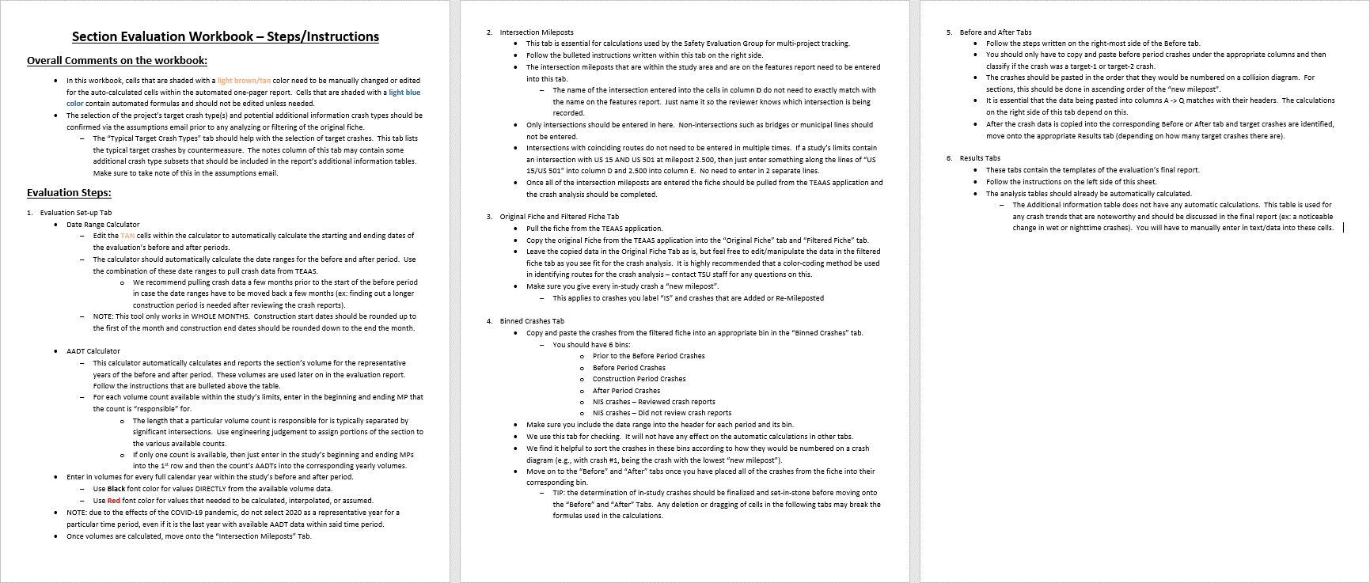

1 page results - 2 Targets
 |  |  |  |  |  |  |  |  | Cell Shading Key
Safety Project Evaluation |  |  |  |  |  |  |  |  | User Input Required
 |  |  |  |  |  |  |  |  | Automatically Calculated

Order ID: | 41000075912 |  |  | Treatment Information | Before | After | Percent Reduction (-) Percent Increase (+)
Project ID: | 04-15-39049 (TIP #W-5601HO) |  |  |  |  |  |  | Comments for the user:
Location: | SR 1003 (Buffalo Road) from SR 1716 (Lake Wendell Road) to SR 2638 (Lake Wendell Road) |  |  | Total Crashes | 42 | 17 | -59.52% | ● | Cells that are shaded TAN are not automatic and need to be filled in prior to printing
 |  |  |  | Total Severity Index | 6.33 | 3.61 | -42.93% | ● | The before, construction, and after period dates table is automated and based off of the Date Range Calculator within the "Evaluation Set-up" tab. Make sure this tab is finalized before printing.

 |  |  |  | All Target Crashes | 27 | 3 | -88.89%
Length: | 0.12 miles |  |  | All Target Crash Severity Index | 8.47 | 5.93 | -29.92% | ● | If a calculated percent increase is significantly above 100% and you feel this change would be best represented by reporting "100% +" then you should manually change these values.
GPS Coordinates: | 35.726581, -78.388062 to 35.728253, -78.388704
County: | Johnston |  |  | Target-1 Crashes | 24 | 2 | -91.67%
City: | Clayton |  |  | Target-1 Crash Severity Index | 9.09 | 4.70 | -48.30% | ● | There are 4 rows under the Additional information table that the user should feel free to use (or not use) as they see fit. If rows are left unused, leave "n/a" in the left most column
Division: | 4
 |  |  |  | Target-2 Crashes | 3 | 1 | -66.67%
Countermeasure(s): | Construct 3 lane section with center turn lane with appropriate tapers and improve skew angles at two side road intersections. |  |  | Target-2 Crash Severity Index | 3.47 | 8.40 | 100%+ | ● | Write any necessary discussion on the evaluation results in the large merged cell at the bottom of the page. If no discussion is necessary, simply write "n/a" in discussion field TIP: to drop lines within a single cell, press ALT+ENTER

 |  |  |  | Volume (2018, 2024) | 8,100 | 8,700 | 7.41%

 |  |  |  | Injury Crash Summary | Before | After | Percent Reduction (-) Percent Increase (+) | Instructions for printing 1-Pager Results Tab
Estimated Project Cost: | $578,000 |  |  |  |  |  |  | 1 | Highlight the cells within but not including the GREEN border
Completion Date: | 2021-06-18 |  |  | Fatal Injury Crashes | 0 | 0 | n/a | 2 | Select Print or hit Control + P
 |  |  |  | Class A Injury Crashes | 1 | 0 | -100.00% | 3 | Select the printer you wish to use (Microsoft Print to PDF is recommended with 8.5”x11” paper size)
 | Start Date | End Date | Length | Class B Injury Crashes | 5 | 3 | -40.00%
Before Period | 2015-06-01 | 2020-04-30 | 4y, 11m | Class C Injury Crashes | 15 | 3 | -80.00% | 4 | In the first box under Settings select “Print Selection”. This will ensure only the cells you have highlighted are printed out, rather than the whole sheet.
Construction Period | 2020-05-01 | 2021-06-30 | 1y, 2m | Property Damage Only | 21 | 11 | -47.62%
After Period | 2021-07-01 | 2026-05-31 | 4y, 11m |  |  |  |  | 5 | Select “Custom Margins” in the second to last dropdown box. Match the margin settings in the pop up box to that of the below image. The Left/Right margins should be 0.1" and the Top/Bottom margins should be 0.3". Also make sure that the “Horizontally” and “Vertically” boxes are checked under the "Center on page" section. This will ensure the print area is centered within the page layout.
 |  |  |  | All Target Injury Crash Summary | Before | After | Percent Reduction (-) Percent Increase (+)
Analysis Criteria: | Treatment data includes all crashes along SR 1003 (Buffalo Road) from SR 1716 (Lake Wendell Road) to SR 2638 (Lake Wendell Road), with a Y-line of 0 feet.
 |  |  |  | Fatal Injury Crashes | 0 | 0 | n/a
 |  |  |  | Class A Injury Crashes | 1 | 0 | -100.00%
 |  |  |  | Class B Injury Crashes | 4 | 1 | -75.00% |  | ● | 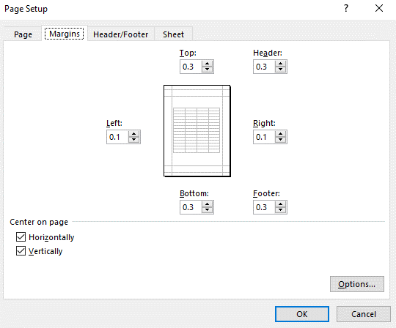
 |  |  |  | Class C Injury Crashes | 13 | 1 | -92.31%
 |  |  |  | Property Damage Only | 9 | 1 | -88.89%
Target-1 Crashes: | Left-Turn, Same Roadway (LTSR) crashes
 |  |  |  | Additional Information | Before | After | Percent Reduction (-) Percent Increase (+)

 |  |  |  | LTSR crashes at SR 2638 intersection | 22 | 1 | -95.45%
 |  |  |  | LTSR crashes at SR 1716 intersection | 2 | 1 | -50.00%
 |  |  |  | Frontal Impact Crashes at SR 2638 | 26 | 7 | -73.08%
Target-2 Crashes: | Rear-End crashes |  |  | Frontal Impact Crashes at SR 1716 | 4 | 1 | -75.00%

 |  |  |  | Map/Satellite Views
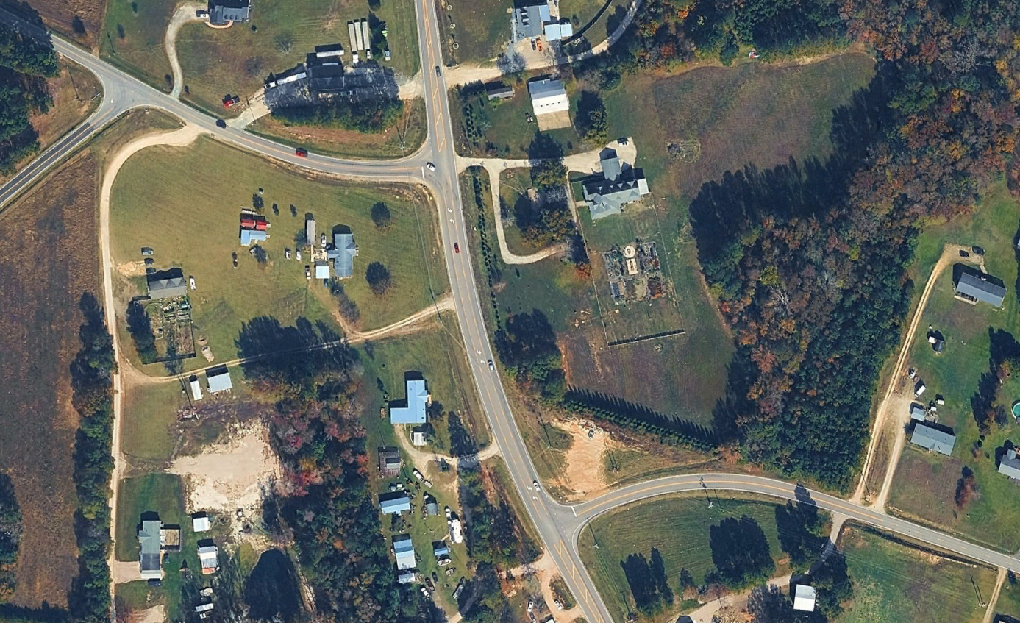
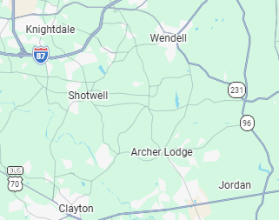

SR 2638 (Lake Wendell Rd)
MP 17.811
Project Development Comparison
Crashes Per Year by Project Time Period | Project Development | Before Period | After Period
 |  |  |  |  |  |  |  | 6 | In the final dropdown box, select “Fit Sheet on One Page”
Years | 5.00 years | 4.92 years | 4.92 years |  |  |  |  | 7 | Hit Print!
Start Date | 2010-10-01 | 2015-06-01 | 2021-07-01 |  |  |  |  | NOTE: | If you feel that any of the above print settings should be changed to allow for a better print out of this report, contact TSU staff first. For the vast majority of evaluations, these settings should be best.
End Date | 2015-09-30 | 2020-04-30 | 2026-05-31

SR 1716 (Lake Wendell Rd)
MP 17.691
Total | 5.00 | 8.54 | 3.46
Fatal Injury | 0.00 | 0.00 | 0.00
Class A Injury | 0.20 | 0.20 | 0.00
SR 1003 (Buffalo Road)
MP 17.691 - MP 17.811
AADT: 8,700 vpd (2024)
45 mph
Class B Injury | 0.60 | 1.02 | 0.61
Class C Injury | 0.80 | 3.05 | 0.61
Property Damage Only | 3.40 | 4.27 | 2.24

Items for Discussion
- This study location was contained within a larger evaluation's limits (04-15-35863), which included all of SR 1003 (Buffalo Road) from SR 1702 (Archer Lodge Road) to the Wake County line. The improvements of the larger section included shoulder widening and ditch piping along SR 1003, but since the dates of these improvements and those of this evaluation were significantly aligned, the section included in this evaluation was omitted from Evaluation 04-15-35863. - Dark condition crashes made up 10 of 24 (41.7%) of Target Crashes and 18 of 42 (42.9%) of total crashes in the Before Period, and 1 of 2 (50%) of Target Crashes and 14 of 17 (82.4%) of total crashes in the After Period. - A pattern of run through intersection crashes, in which a vehicle runs straight through the STOP sign on the minor approach and off the road on the opposite side of the intersection is present in the both the Before and After Periods, with there being 5 such crashes at the SR 1716 intersection and 1 at the SR 2638 intersection in the Before Period, and 6 such crashes at the SR 2638 intersection and 1 at the SR 1716 intersection in the After Period. - There were 13 total crashes in the Construction Period, including 7 (53.8%) Target Crashes, all 7 occurring at the SR 2638 intersection. - The significant increase in severity index for Target #2 crashes can be attributed to the fact that the only Target #2 crash in the After Period was a C-injury crash, while 2 of the 3 Before Period Target #2 crashes were Property Damage Only, lowering the overall severity.

Data Prepared For:
The Traffic Safety Unit of the |  |  |  | Data Prepared By:
Transportation Mobility and Safety Division of the |  |  |  | Principal Investigator: | Logan Newsome, PE
Division of Highways of the |  |  |  | Work Group/Consultant: | VHB
North Carolina Department of Transportation |  |  |  | Date: | 2026-07-17

